Sheet1
Year | Quarter | Time | Actual Units Sold | Base level Et | Trend Factor Tt | Seasonal Factor St | Forecast
 |  |  |  |  |  |  |  | alpha | 0.22283782523
2003 | 1 | 1 | 23 | -- | -- | -5.75 |  | beta | 1 | MSE | 20.327486175
 | 2 | 2 | 25 | -- | -- | -3.75 |  | gamma | 0.67545201537
 | 3 | 3 | 36 | -- | -- | 7.25
 | 4 | 4 | 31 | 28.75 | 0.00 | 2.25
2004 | 1 | 5 | 26 | 29.42 | 0.67 | -4.18 | 23.00 | 20.a | The optimal values of alpha, beta and gamma are obtained in the table above.
 | 2 | 6 | 28 | 30.46 | 1.04 | -2.88 | 26.34
Comparision of original data and predicted data
 | Actual Units Sold | Forecast
1 | 23
2 | 25
3 | 36
4 | 31
5 | 26 | 23.00
6 | 28 | 26.34
7 | 48 | 38.75
8 | 36 | 38.91
9 | 31 | 34.29
10 | 42 | 36.57
11 | 53 | 55.70
12 | 43 | 46.04
 | 3 | 7 | 48 | 33.56 | 3.10 | 12.11 | 38.75
 | 4 | 8 | 36 | 36.01 | 2.45 | 0.72 | 38.91
2005 | 1 | 9 | 31 | 37.73 | 1.72 | -5.90 | 34.29
 | 2 | 10 | 42 | 40.66 | 2.93 | -0.03 | 36.57
 | 3 | 11 | 53 | 42.99 | 2.33 | 10.69 | 55.70
 | 4 | 12 | 43 | 44.64 | 1.65 | -0.87 | 46.04
2006 | 1 | 13 |  |  |  |  | 40.39
 | 2 | 14 |  |  |  |  | 47.91
 | 3 | 15 |  |  |  |  | 60.28
 | 4 | 16 |  |  |  |  | 50.37
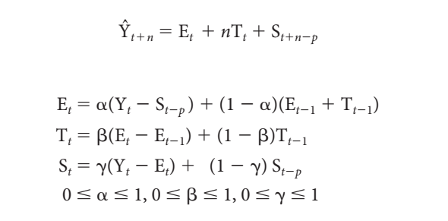

 |  |  |  |  |  |  |  | 20.b | The line graph comparing the predictions against the original data is given above.

 |  |  |  |  |  |  |  | 20.c | The forecast for each quarter in 2006 using this technique is given in the table above in Forecast column in red text.

